Head
システム名 1.0
レビューシート

Review
№ | レビュー日 | ステータス | 部分 | エラー タイプ | 箇所 | レビュー内容 | レビュー者 | 対応内容 | 対応日 | 対応者 | 備考
1 | 2021-12-16 | Open | Others | Careless | Tutorial_01 index.php | 1) Please read coding rules and follow. (e.g. Use an indent of 4 spaces for *.php) 2) Careless <title></title> 3) Using internal css in tutorial_01 is OK but prefer to use external css next time. (Not to mix with css code) | PyaePyaeHan | 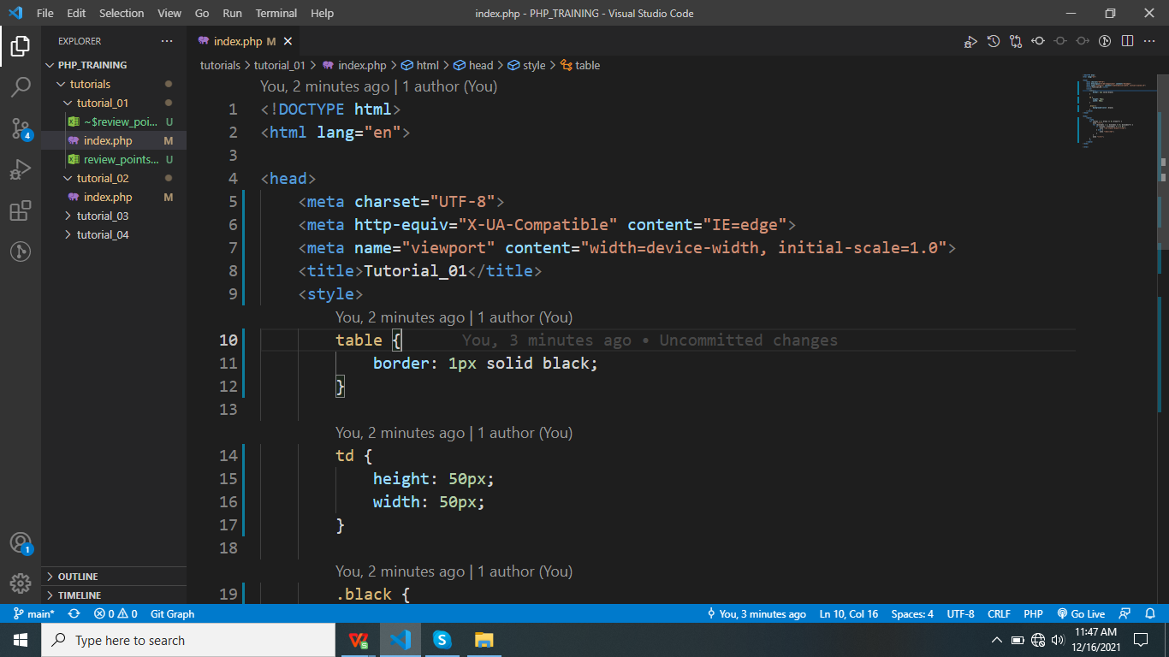 | 12.16.2021 2:32PM | WaiLinOo
2 | 2021-12-16 | Open | Others | Careless | Tutorial_02 index.php | 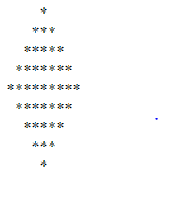 1) Please read coding rules and follow. (e.g. Use an indent of 4 spaces for *.php) 2) Star must be displayed in 1,3,5,7,9,11,9,7,5,3,1 pattern | PyaePyaeHan | Done pattern | 12.16.2021 2:32PM | WaiLinOo
3 | 2021-12-17 | open | Others | Careless | Turorial_03 index.php | 1) Use external css to clear code 2) Use an indent of 4 spaces for *.php | PyaePyaeHan | Done pattern | 12/17/2021 2.05PM | WaiLinOo
4 | 2021-12-17 | Open | Others | Careless | Tutorial_04 index.php | 1) Use an indent of 4 spaces for *.php | PyaePyaeHan | Done pattern | 12/17/2021 2.05PM | WaiLinOo
5 | 2021-12-20 | Open | Others | Unknown | Tutorial_05 index.php | 1) is ok but test with more data in sample files | PyaePyaeHan | Done pattern | 12/20/2021 12:19PM | WaiLinOo
6 | 2021-12-21 | Open | Others | Wrong Documents | Turorial_06 index.php | 1) Create folder under tutorial_06 (now in _actions folder) 2) Not upload image when folder name is null 3) Not create folder when image file is null 4) Please return error message for input file is not image type... | PyaePyaeHan | Done error | 12/21/2021 10:37AM | WaiLinOo
7 | 2021-12-22 | Open | Others | Unknown | Turorial_07 index.php |  | PyaePyaeHan | Done pattern | 12/22/2021 10:36AM | WaiLinOo

